Implementation Plan
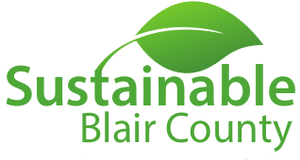
Sustainable Blair County - Sustainable Business Certification
SUSTAINABLE BUSINESS IMPLEMETATION PLAN
Company: | #REF!

#REF! | Completion Date for Initial Survey
#REF! | Percentage of Applicable Points Achieved
Bronze | Current Certification Level

This plan is being provided to aid in the implementation of sustainable business practices for your organization. Based on the results of your sustainability survey, the following list has been prepared as attainable implementation areas to help your business pursue the next level of certification.

Category: | #REF!
Item No. | Points | Description | Implemented (Y/N)
# | #REF! | #REF!

FOR CHAMBER OF
COMMERCE USE ONLY
Category: | #REF!
Item No. | Points | Description | Implemented (Y/N)
# | #REF! | #REF!

Category: | #REF!
Item No. | Points | Description | Implemented (Y/N)
# | #REF! | #REF!

Category: | #REF!
Item No. | Points | Description | Implemented (Y/N)
# | #REF! | #REF!

Category: | #REF!
Item No. | Points | Description | Implemented (Y/N)
# | #REF! | #REF!

Category: | #REF!
Item No. | Points | Description | Implemented (Y/N)
# | #REF! | #REF!

Category: | #REF!
Item No. | Points | Description | Implemented (Y/N)
# | #REF! | #REF!

RESULTS
TOTALS OF ORIGINAL SURVEY
 | Total # of Applicable Points
 | Total # of Points Achieved
 | Percentage of Applicable Points Achieved

TOTALS AFTER IMPLEMENTATION PLAN
 | Total Number of Points in Implementation Plan
 | Total Number Implementation Plan Points Achieved (Implemented)
 | Current Total # of Points Achieved
 | Percentage of Additional Applicable Points After Implementation Plan
 | Percentage of Total Applicable Points After Implementation Plan
 | Certification Level After Implementation Plan

